dashboard
SALES BY REGION
 | Total
West | 725,457.93
South | 391,721.90
East | 678,781.36
Central | 501,239.88
CATEGORY
 | Total
Furniture | 741,999.98
Office Supplies | 719,046.99
Technology | 836,154.10

Top 10 staes in sales
 | Total
California | 8187.65
Florida | 22638.48
Georgia | 6354.95
Illinois | 2799.96
Michigan | 9892.74
New York | 11199.97
Ohio | 4499.99
Pennsylvania | 8399.98
Texas | 8159.95
Washington | 13999.96
Top 10 states in profit
 | Total
California | 1906.49
Delaware | 5039.99
Georgia | 3177.48
Indiana | 8399.98
Kentucky | 1416.8
Michigan | 4946.37
Minnesota | 4630.48
New York | 3919.99
Virginia | 2799.98
Washington | 6719.98

More profitable products

 | Less profitable products

main db
SUPERSTORE DATA TOTAL PROFITS (2014-2017) TOTAL SALES(2014-2017)
OUR DATA BY THE NUMBERS ₹ 2,86,397.79 ₹ 22,97,201.07
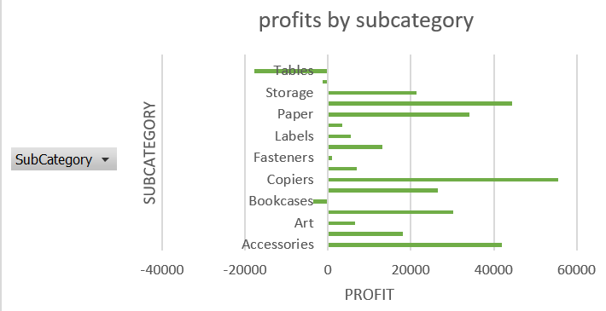

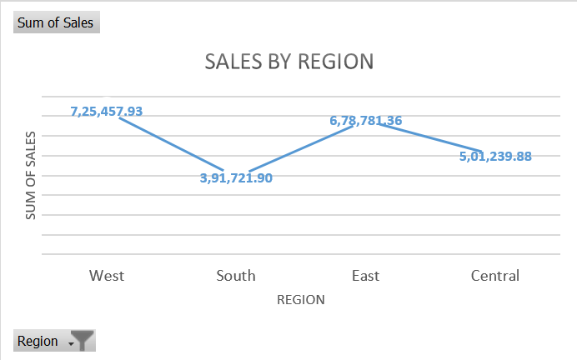
TOTAL PROFITS PER STATE(2014-2017)
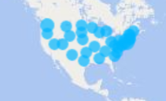

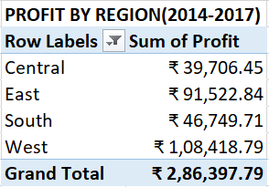
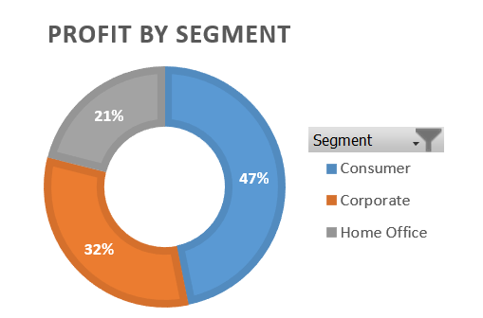
 | THE TOP MOST PROFITABLE PRODUCTS | THE TOP LESS PROFITABLE PRODUCTS

Sheet18
This is about profits by category
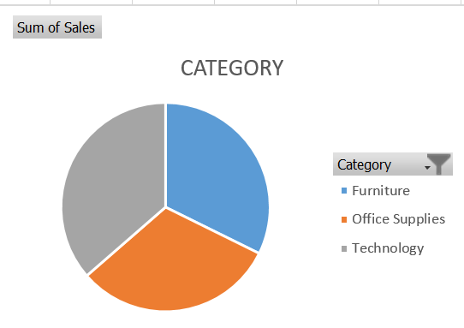

 | OFFICE SUPPLIES

 | FURNITURE

 | TECHNOLOGY

Sheet15
PROFITS BY SEGMENT
Row Labels | Sum of Profit
Furniture | 18451.25
Office Supplies | 122490.88
Technology | 145455.66
Grand Total | 286397.79 | OFFICE SUPPLIES

 |  | FURNITURE

 |  | TECHNOLOGY

Sheet14
profits by subcategory
 | Total
Accessories | 41936.78
Appliances | 18138.07
Art | 6527.96
Binders | 30221.64
Bookcases | -3472.56
Chairs | 26590.15
Copiers | 55617.9
Envelopes | 6964.1
Fasteners | 949.53
Furnishings | 13059.25
Labels | 5546.18
Machines | 3384.73
Paper | 34053.34
Phones | 44516.25
Storage | 21279.05
Supplies | -1188.99
Tables | -17725.59
(blank)
Row Labels | Sum of Profit
Accessories | 41936.78
Appliances | 18138.07
Art | 6527.96
Binders | 30221.64
Bookcases | -3472.56
Chairs | 26590.15
Copiers | 55617.9
Envelopes | 6964.1
Fasteners | 949.53
Furnishings | 13059.25
Labels | 5546.18
Machines | 3384.73
Paper | 34053.34
Phones | 44516.25
Storage | 21279.05
Supplies | -1188.99
Tables | -17725.59
(blank)
Grand Total | 286397.79

Sheet16
PROFIT BY SEGMENT
Row Labels | Sum of Profit
Consumer | 134119.33
Corporate | 91979.45
Home Office | 60299.01
Grand Total | 286397.79

